Programming Admin
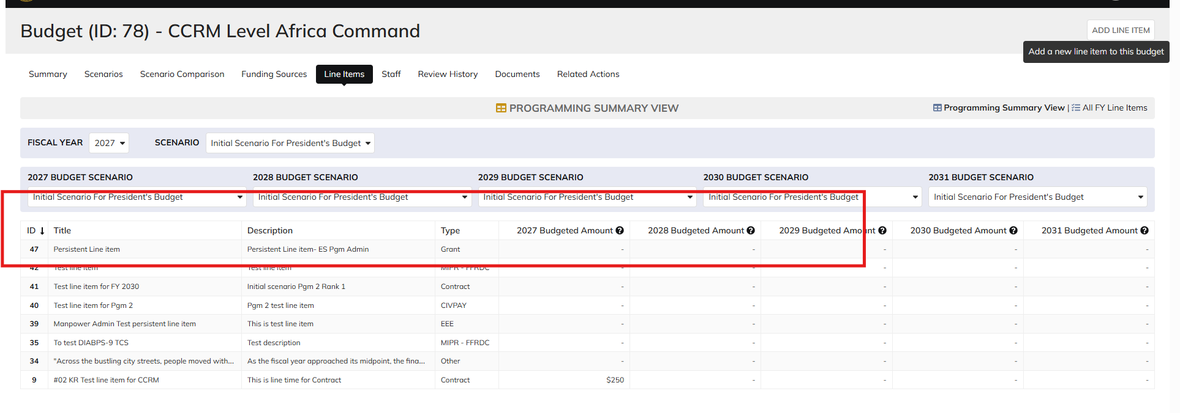
DIABPS Sprint 1.2 - DIABPS-9 TEST CASE SCENARIO |  | TESTER INFO
Test Case ID: | DIABPS_9#01 | Created By: | Kana Raghavan
Test Scenario: | A user with an appropriate role can create a Persistent Line item | Created On: | 2026-08-24
User Story: | Create Persistent Line Item | Reviewed By: | Jordan Helman
Story Description: | As a(n) Programming Admin, Manpower Admin, Resource Management Lead, Programming Lead, Manpower Lead, Programming Analyst, or Manpower Analyst, I can create a persistent-level line item. | Reviewed On:
Environment: | BPS Test | Executed By: | Kana Raghavan
User Role(s): | Programming Admin for (ES/DS) Org | Executed On: | 2026-09-03
Pre-Conditions: | User able to login to Planning module successfully as Programming Admin who is assigned to specific Org
Acceptance Criteria | Acceptance Criteria: The user will be able to create a planning line item The user will be able to complete the information for the line item (fields with an asterisk ( * ) indicate required fields): Title* Text field, 255 character limit Description* Text field, 1000 character limit Line Item Type* Single-select dropdown with the following options: Grant Contract CIVPAY Travel MIPR If MIPR is selected, an optional field displays where the user may select “FFRDC” as a subtype GPC EEE Training PCS Legal Settlements Other The system will record the user who performed the action and the date and time it was performed.

Step Number | Step Description | Input Data | Expected Results | Pass/Fail
STEP 1 | Log in as a user with Programming Admin credential. User should be assigned to a specific Org (ES/DS). https://ams-test.appiancloud.us/suite/ | Username: | User able to login successfully | Pass
STEP 2 | Click on GIBS Planning module on top right dropdown to launch Planning module | N/A | User able to click on dropdown and able to launch Planning module | Pass
STEP 3 | User click on Budget Tab | N/A | User able to click budget tab and budget grid is displayed with Budget ID, Name, Org.Portfolio, Org.code, FY planned | Pass
STEP 4 | User clicks on Budget ID and navigate to Scenarios Tab and Line Items tab | N/A | User able to view All associated Scenarios in Scenarios summary table and in line items tab | Pass
STEP 5 | In Line items tab user able to see Programming summary view with "Formulation Scenario", Budget Scenarios. Click on "Add Line Item" to add Line items in Bulk | N/A | User able to view Programming summary view and "Add Line item" window is displayed | Pass
STEP 6 | User able to input following Persistent Line items and Click Add Line item Type Title Description | Type- Select from dropdown Title- Test Descripion- Test | User able to add New line item for a specific type across all scenarios successfully | Pass

Evidences | Login as DS Programming Admin

 | Negative Scenarios character limit

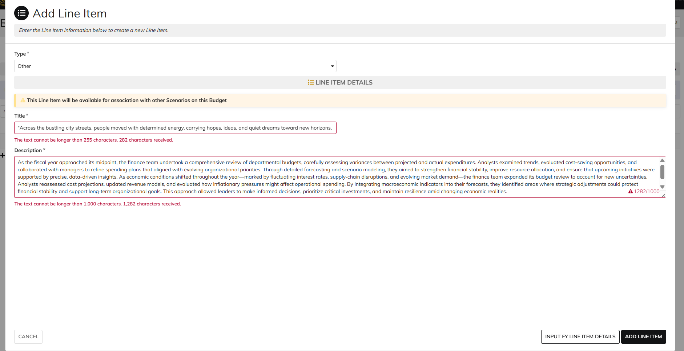

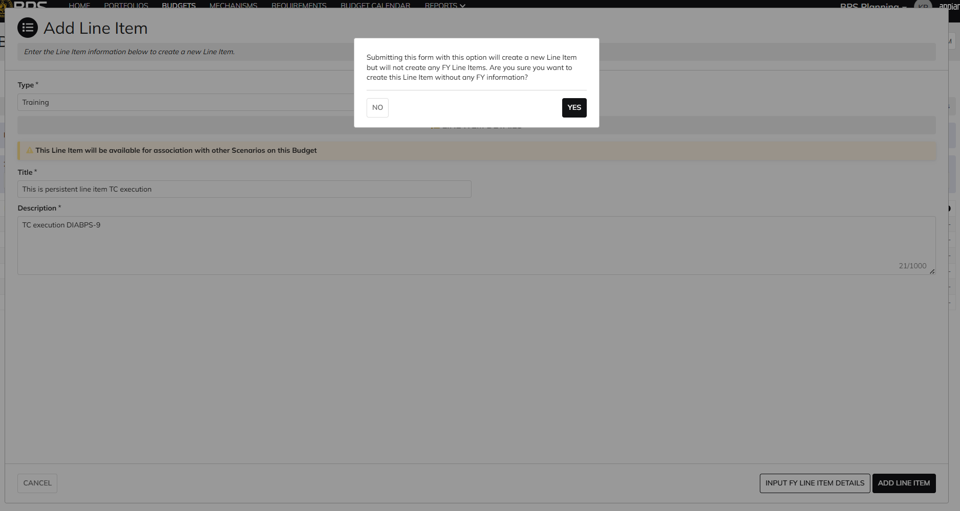

 | Line item ID 46 created

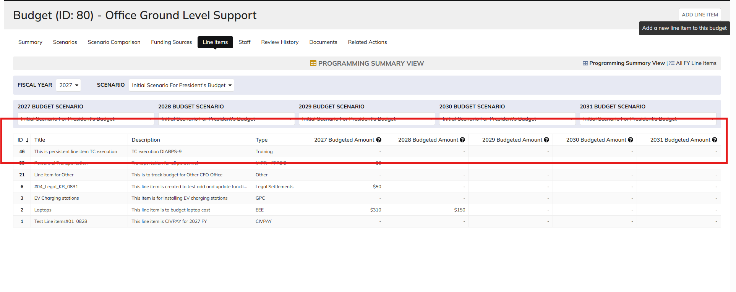

 | Login as ES Programming Admin

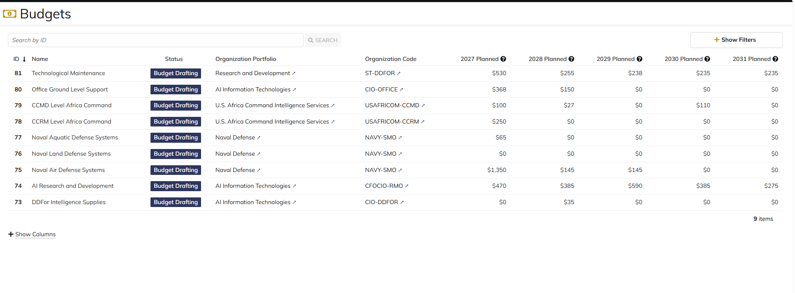

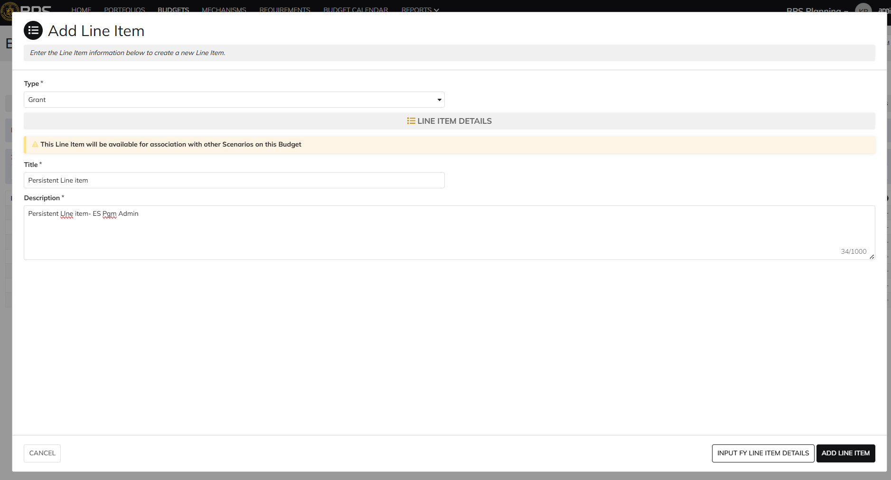

 | Line Item 47 created

Manpower Admin
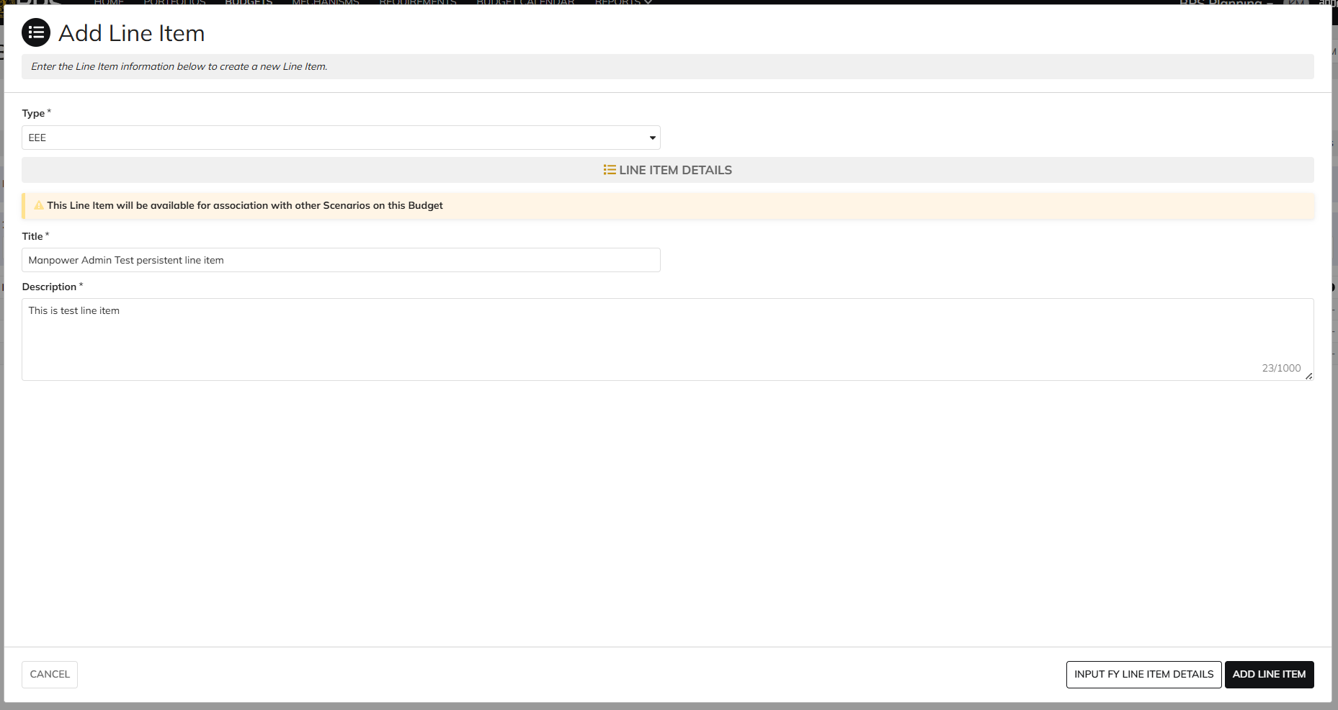
DIABPS Sprint 1.2 - DIABPS-9 TEST CASE SCENARIO |  | TESTER INFO
Test Case ID: | DIABPS_9#02 | Created By: | Kana Raghavan
Test Scenario: | A user with an appropriate role can create a persistent line item | Created On: | 2026-08-24
User Story: | Create a Persistent Line item | Reviewed By: | Jordan Helman
Story Description: | As a(n) Programming Admin, Manpower Admin, Resource Management Lead, Programming Lead, Manpower Lead, Programming Analyst, or Manpower Analyst, I can create a persistent-level line item. | Reviewed On:
Environment: | BPS Test | Executed By: | Kana Raghavan
User Role(s): | Programming Admin for (ES/DS) Org | Executed On: | 2026-09-01
Pre-Conditions: | User able to login to Planning module successfully as Manpower Admin who is assigned to specific Org
Acceptance Criteria | Acceptance Criteria: The user will be able to create a planning line item The user will be able to complete the information for the line item (fields with an asterisk ( * ) indicate required fields): Title* Text field, 255 character limit Description* Text field, 1000 character limit Line Item Type* Single-select dropdown with the following options: Grant Contract CIVPAY Travel MIPR If MIPR is selected, an optional field displays where the user may select “FFRDC” as a subtype GPC EEE Training PCS Legal Settlements Other The system will record the user who performed the action and the date and time it was performed.

Step Number | Step Description | Input Data | Expected Results | Pass/Fail
STEP 1 | Log in as a user with Manpower Admin credential. User should be assigned to a specific Org (ES/DS). https://ams-test.appiancloud.us/suite/ | Username: | User able to login successfully | Pass
STEP 2 | Click on GIBS Planning module on top right dropdown to launch Planning module | N/A | User able to click on dropdown and able to launch Planning module | Pass
STEP 3 | User click on Budget Tab | N/A | User able to click budget tab and budget grid is displayed with Budget ID, Name, Org.Portfolio, Org.code, FY planned | Pass
STEP 4 | User clicks on Budget ID and navigate to Scenarios Tab and Line Items tab | N/A | User able to view All associated Scenarios in Scenarios summary table and in line items tab | Pass
STEP 5 | In Line items tab user able to see Programming summary view with "Formulation Scenario", Budget Scenarios. Click on "Add Line Item" to add Line items in Bulk | N/A | User able to view Programming summary view and "Add Line item" window is displayed | Pass
STEP 6 | User able to input following Persistent Line items and Click Add Line item Type Title Description | Type- Select from dropdown Title- Test Descripion- Test | User able to add New line item for a specific type across all scenarios successfully | Pass

Evidences | Login as DS Manpower Admin

Resource Management lead
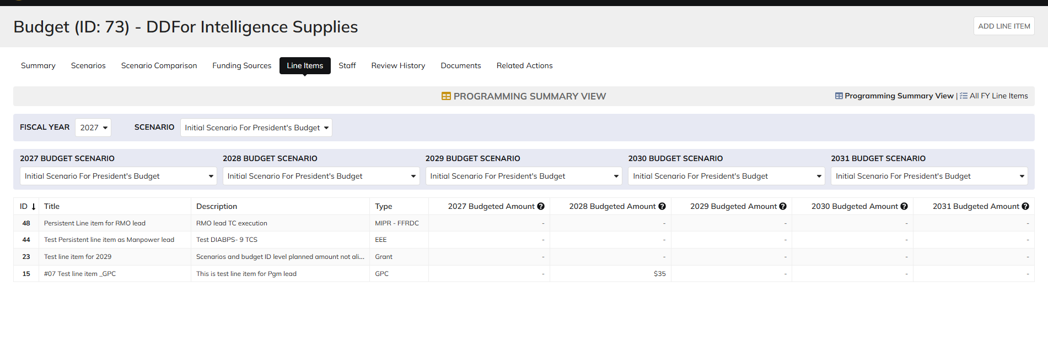
DIABPS Sprint 1.2 - DIABPS-9 TEST CASE SCENARIO |  | TESTER INFO
Test Case ID: | DIABPS_9#03 | Created By: | Kana Raghavan
Test Scenario: | A user with an appropriate role can create a persistent line item | Created On: | 2026-08-24
User Story: | Create a Persistent Line item | Reviewed By: | Jordan Helman
Story Description: | As a(n) Programming Admin, Manpower Admin, Resource Management Lead, Programming Lead, Manpower Lead, Programming Analyst, or Manpower Analyst, I can create a persistent-level line item. | Reviewed On:
Environment: | BPS Test | Executed By: | Kana Raghavan
User Role(s): | Resource Management Lead | Executed On: | 2026-09-01
Pre-Conditions: | User able to login to Planning module successfully as Resource Mgmt lead who is assigned to specific Org
Acceptance Criteria | Acceptance Criteria: The user will be able to create a planning line item The user will be able to complete the information for the line item (fields with an asterisk ( * ) indicate required fields): Title* Text field, 255 character limit Description* Text field, 1000 character limit Line Item Type* Single-select dropdown with the following options: Grant Contract CIVPAY Travel MIPR If MIPR is selected, an optional field displays where the user may select “FFRDC” as a subtype GPC EEE Training PCS Legal Settlements Other The system will record the user who performed the action and the date and time it was performed.

Step Number | Step Description | Input Data | Expected Results | Pass/Fail
STEP 1 | Log in as a user with Resource Management lead credential. User should be assigned to a specific Org (ES/DS). https://ams-test.appiancloud.us/suite/ | Username: | User able to login successfully | Pass
STEP 2 | Click on GIBS Planning module on top right dropdown to launch Planning module | N/A | User able to click on dropdown and able to launch Planning module | Pass
STEP 3 | User click on Budget Tab | N/A | User able to click budget tab and budget grid is displayed with Budget ID, Name, Org.Portfolio, Org.code, FY planned | Pass
STEP 4 | User clicks on Budget ID and navigate to Scenarios Tab and Line Items tab | N/A | User able to view All associated Scenarios in Scenarios summary table and in line items tab | Pass
STEP 5 | In Line items tab user able to see Programming summary view with "Formulation Scenario", Budget Scenarios. Click on "Add Line Item" to add Line items in Bulk | N/A | User able to view Programming summary view and "Add Line item" window is displayed | Pass
STEP 6 | User able to input following Persistent Line items and Click Add Line item Type Title Description | Type- Title- Test Descripion- Test | User able to add New line item for a specific type across all scenarios successfully | Pass

Evidences | Login as CIO Resource Mgmt Lead

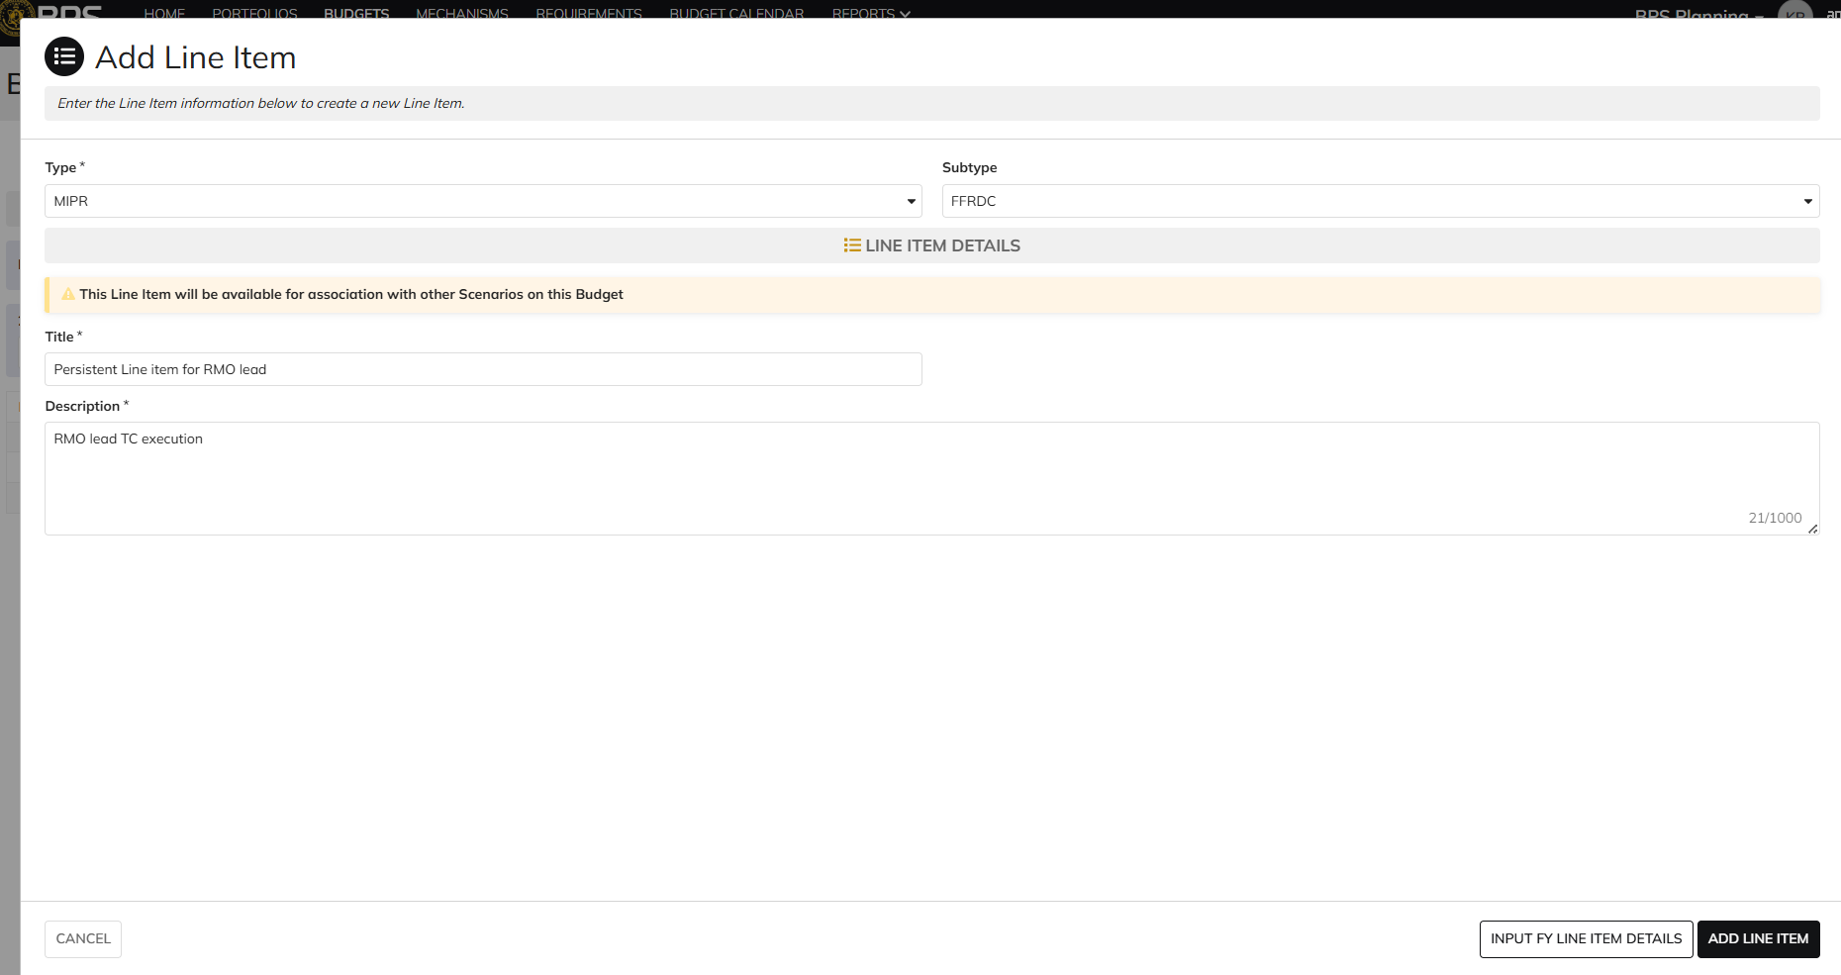

 | Line item 48 created

Programming lead
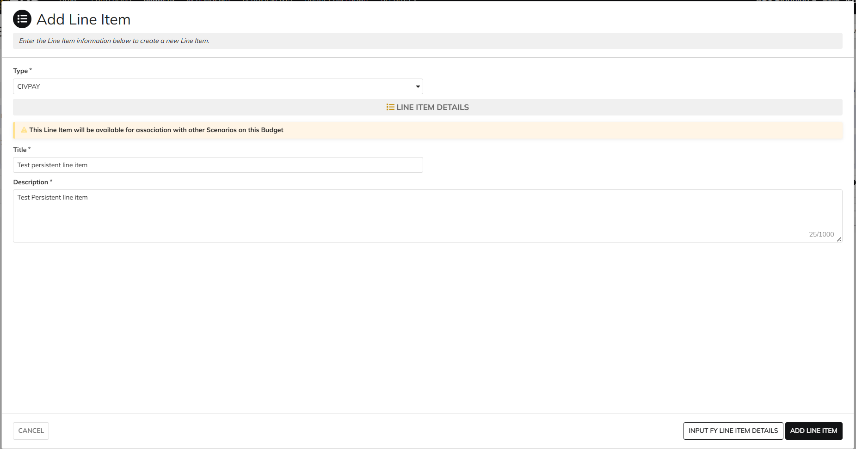

DIABPS Sprint 1.2 - DIABPS-36 TEST CASE SCENARIO |  | TESTER INFO
Test Case ID: | DIABPS_9#04 | Created By: | Kana Raghavan
Test Scenario: | A user with an appropriate role can create a persistent line item | Created On: | 2026-08-24
User Story: | Create a Persistent Line item | Reviewed By: | Jordan Helman
Story Description: | As a(n) Programming Admin, Manpower Admin, Resource Management Lead, Programming Lead, Manpower Lead, Programming Analyst, or Manpower Analyst, I can create a persistent-level line item. | Reviewed On:
Environment: | BPS Test | Executed By: | Kana Raghavan
User Role(s): | Programming lead for (ES/DS) Org | Executed On: | 2026-09-01
Pre-Conditions: | User able to login to Planning module successfully as Programming lead who is assigned to specific Org
Acceptance Criteria | Acceptance Criteria: The user will be able to create a planning line item The user will be able to complete the information for the line item (fields with an asterisk ( * ) indicate required fields): Title* Text field, 255 character limit Description* Text field, 1000 character limit Line Item Type* Single-select dropdown with the following options: Grant Contract CIVPAY Travel MIPR If MIPR is selected, an optional field displays where the user may select “FFRDC” as a subtype GPC EEE Training PCS Legal Settlements Other The system will record the user who performed the action and the date and time it was performed.

Step Number | Step Description | Input Data | Expected Results | Pass/Fail
STEP 1 | Log in as a user with Programming lead credential. User should be assigned to a specific Org (ES/DS). https://ams-test.appiancloud.us/suite/ | Username: | User able to login successfully | Pass
STEP 2 | Click on GIBS Planning module on top right dropdown to launch Planning module | N/A | User able to click on dropdown and able to launch Planning module | Pass
STEP 3 | User click on Budget Tab | N/A | User able to click budget tab and budget grid is displayed with Budget ID, Name, Org.Portfolio, Org.code, FY planned | Pass
STEP 4 | User clicks on Budget ID and navigate to Scenarios Tab and Line Items tab | N/A | User able to view All associated Scenarios in Scenarios summary table and in line items tab | Pass
STEP 5 | In Line items tab user able to see Programming summary view with "Formulation Scenario", Budget Scenarios. Click on "Add Line Item" to add Line items in Bulk | N/A | User able to view Programming summary view and "Add Line item" window is displayed | Pass
STEP 6 | User able to input following Persistent Line items and Click Add Line item Type Title Description | Type- CIVPAY Title- Test Descripion- Test | User able to add New line item for a specific type across all scenarios successfully | Pass

Evidences | Login as SMO Programming lead- Navy

Programming Analyst
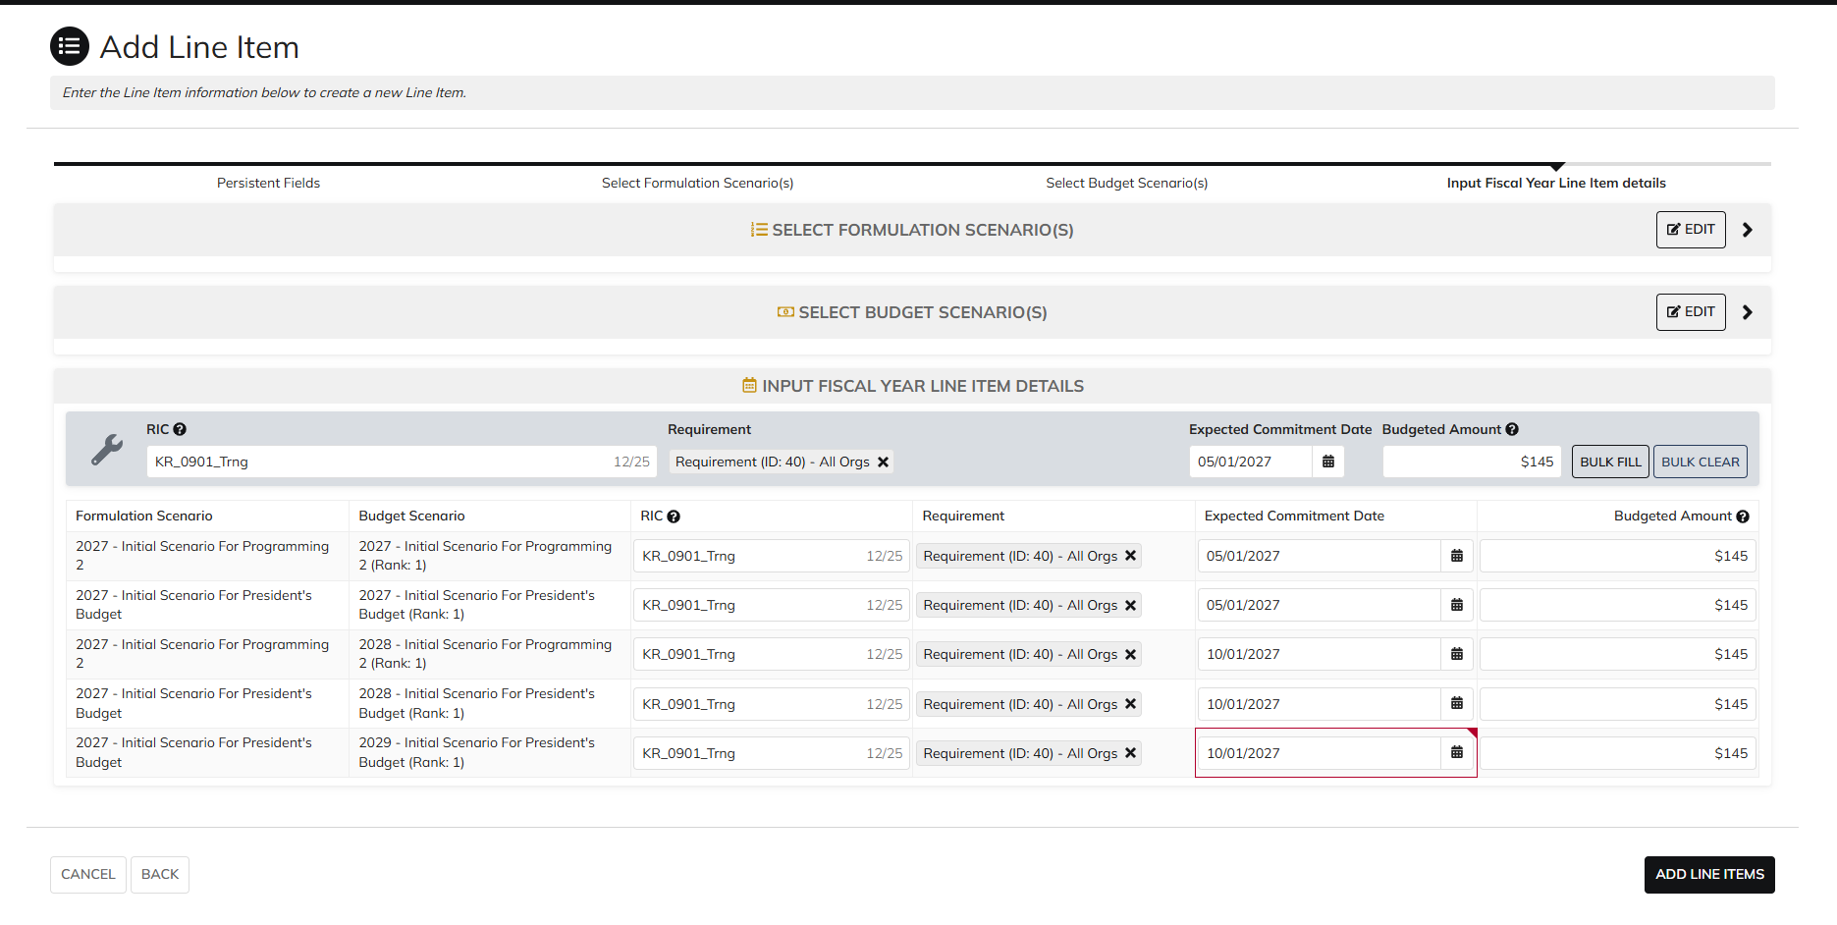
DIABPS Sprint 1.2 - DIABPS-36 TEST CASE SCENARIO |  | TESTER INFO
Test Case ID: | DIABPS_9#06 | Created By: | Kana Raghavan
Test Scenario: | A user with an appropriate role can create a persistent line item | Created On: | 2026-08-24
User Story: | Create a Persistent Line item | Reviewed By: | Jordan Helman
Story Description: | As a(n) Programming Admin, Manpower Admin, Resource Management Lead, Programming Lead, Manpower Lead, Programming Analyst, or Manpower Analyst, I can create a persistent-level line item. | Reviewed On:
Environment: | BPS Test | Executed By: | Kana Raghavan
User Role(s): | Programming Analyst for (ES/DS) Org | Executed On: | 2026-09-01
Pre-Conditions: | User able to login to Planning module successfully as Programming Analyst who is assigned to specific Org
Acceptance Criteria | Acceptance Criteria: The user will be able to create a planning line item The user will be able to complete the information for the line item (fields with an asterisk ( * ) indicate required fields): Title* Text field, 255 character limit Description* Text field, 1000 character limit Line Item Type* Single-select dropdown with the following options: Grant Contract CIVPAY Travel MIPR If MIPR is selected, an optional field displays where the user may select “FFRDC” as a subtype GPC EEE Training PCS Legal Settlements Other The system will record the user who performed the action and the date and time it was performed.

Step Number | Step Description | Input Data | Expected Results | Pass/Fail
STEP 1 | Log in as a user with Programming Analyst credential. User should be assigned to a specific Org (ES/DS). https://ams-test.appiancloud.us/suite/ | Username: | User able to login successfully | Pass
STEP 2 | Click on GIBS Planning module on top right dropdown to launch Planning module | N/A | User able to click on dropdown and able to launch Planning module | Pass
STEP 3 | User click on Budget Tab | N/A | User able to click budget tab and budget grid is displayed with Budget ID, Name, Org.Portfolio, Org.code, FY planned | Pass
STEP 4 | User clicks on Budget ID and navigate to Scenarios Tab and Line Items tab | N/A | User able to view All associated Scenarios in Scenarios summary table and in line items tab | Pass
STEP 5 | In Line items tab user able to see Programming summary view with "Formulation Scenario", Budget Scenarios. Click on "Add Line Item" to add Line items in Bulk | N/A | User able to view Programming summary view and "Add Line item" window is displayed | Pass
STEP 6 | User able to input following Persistent Line items and Click Add Line item Type Title Description | Type- CIVPAY Title- Test Descripion- Test | User able to add New line item for a specific type across all scenarios successfully | Pass

Evidences | Login as SMO Programming Analyst

Manpower Analyst
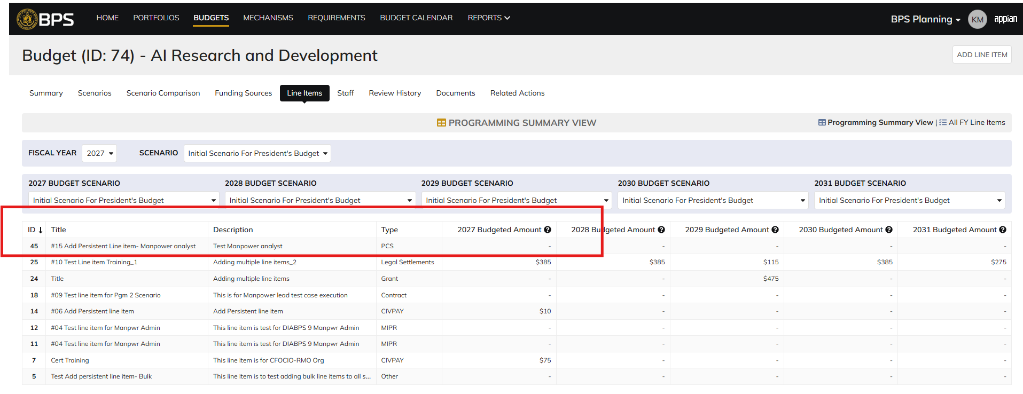
DIABPS Sprint 1.2 - DIABPS-36 TEST CASE SCENARIO |  | TESTER INFO
Test Case ID: | DIABPS_9#07 | Created By: | Kana Raghavan
Test Scenario: | A user with an appropriate role can create a persistent line item | Created On: | 2026-08-24
User Story: | Create a Persistent Line item | Reviewed By: | Jordan Helman
Story Description: | As a(n) Programming Admin, Manpower Admin, Resource Management Lead, Programming Lead, Manpower Lead, Programming Analyst, or Manpower Analyst, I can create a persistent-level line item. | Reviewed On:
Environment: | BPS Test | Executed By: | Kana Raghavan
User Role(s): | Manpower Analyst for RMO Org | Executed On: | 2026-09-01
Pre-Conditions: | User able to login to Planning module successfully as Manpower Analyst who is assigned to specific Org
Acceptance Criteria | Acceptance Criteria: The user will be able to create a planning line item The user will be able to complete the information for the line item (fields with an asterisk ( * ) indicate required fields): Title* Text field, 255 character limit Description* Text field, 1000 character limit Line Item Type* Single-select dropdown with the following options: Grant Contract CIVPAY Travel MIPR If MIPR is selected, an optional field displays where the user may select “FFRDC” as a subtype GPC EEE Training PCS Legal Settlements Other The system will record the user who performed the action and the date and time it was performed.

Step Number | Step Description | Input Data | Expected Results | Pass/Fail
STEP 1 | Log in as a user with Manpower Analyst credential. User should be assigned to a specific Org (ES/DS). https://ams-test.appiancloud.us/suite/ | Username: | User able to login successfully | Pass
STEP 2 | Click on GIBS Planning module on top right dropdown to launch Planning module | N/A | User able to click on dropdown and able to launch Planning module | Pass
STEP 3 | User click on Budget Tab | N/A | User able to click budget tab and budget grid is displayed with Budget ID, Name, Org.Portfolio, Org.code, FY planned | Pass
STEP 4 | User clicks on Budget ID and navigate to Scenarios Tab and Line Items tab | N/A | User able to view All associated Scenarios in Scenarios summary table and in line items tab | Pass
STEP 5 | In Line items tab user able to see Programming summary view with "Formulation Scenario", Budget Scenarios. Click on "Add Line Item" to add Line items in Bulk | N/A | User able to view Programming summary view and "Add Line item" window is displayed | Pass
STEP 6 | User able to input following Persistent Line items and Click Add Line item Type Title Description | Type- CIVPAY Title- Test Descripion- Test | User able to add New line item for a specific type across all scenarios successfully | Pass

Evidences | Login as CIO Manpower Analyst

